Skenario1_Resource Discovery
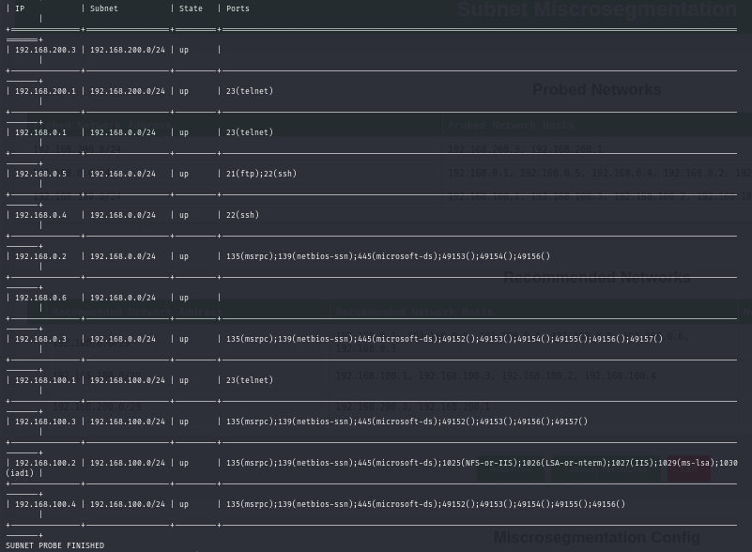
Resource Discovery

Skenario1_Policy Accuracy
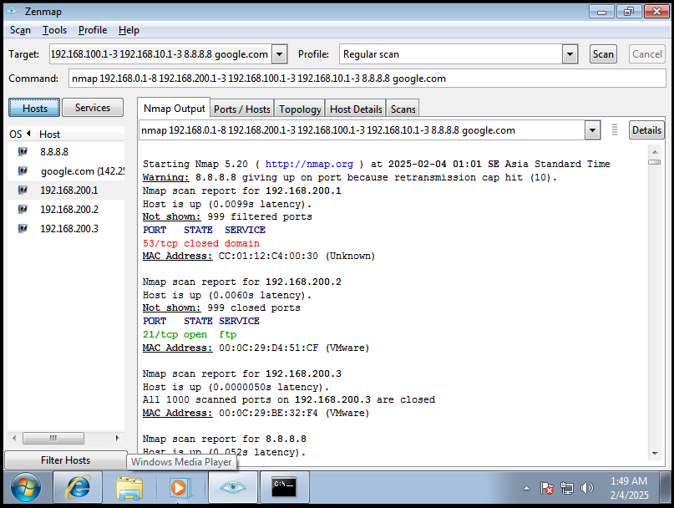
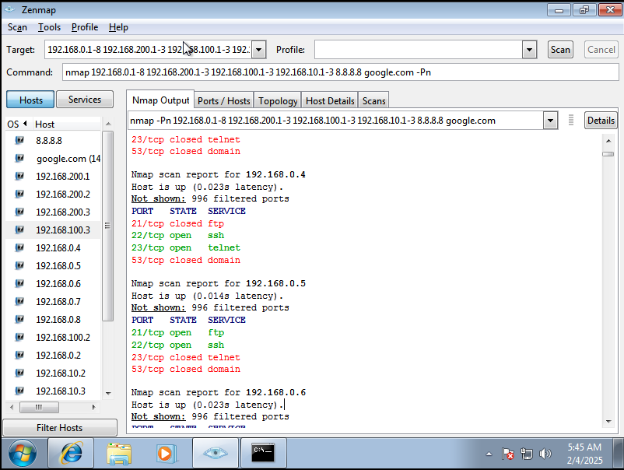
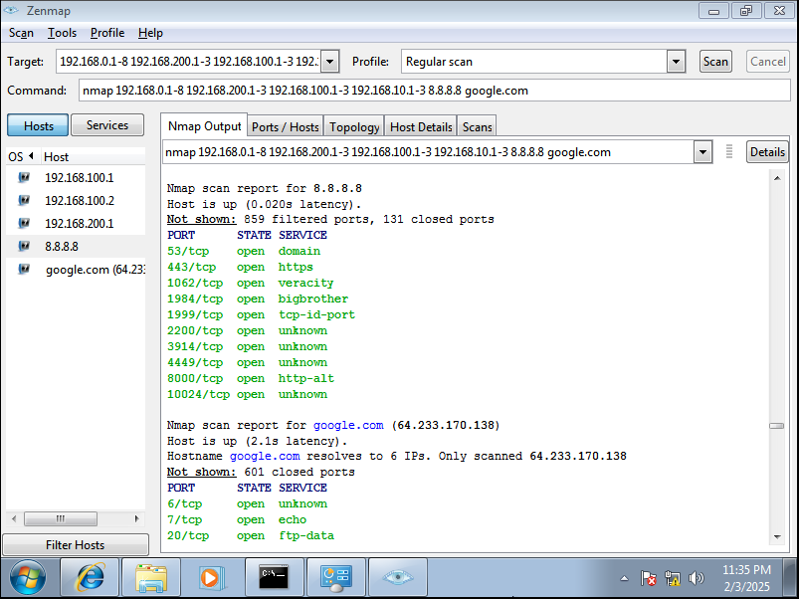
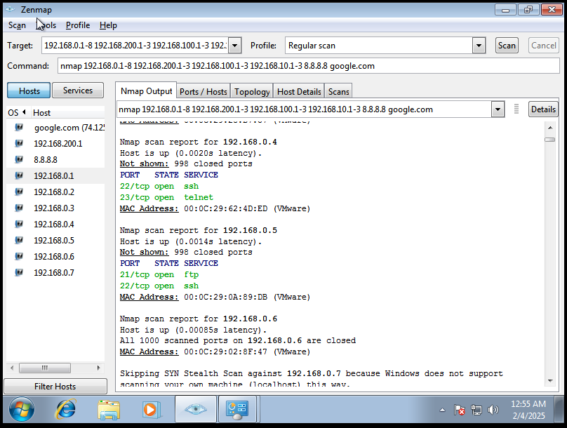
POLICY ACCURACY

Source | Destination | Required Policy |  | Compliance
Office | PublicGuest | Block all access |  | Y
Office | NetworkAdmin | Block all access |  | Y
Office | PublicFO | Block all access |  | Y
Office | Internet | Full Access |  | Y
PublicGuest | Office | Block all access |  | Y
PublicGuest | NetworkAdmin | Block all access |  | Y
PublicGuest | PublicFO | Block all access |  | Y
PublicGuest | Internet | Full Access |  | Y
NetworkAdmin | Office | Block all access, except 22 23 for remote configuration |  | Y
NetworkAdmin | PublicGuest | Block all access, except 23 for remote configuration |  | Y
NetworkAdmin | PublicFO | Block all access, except 22 23 for remote configuration |  | Y
NetworkAdmin | Internet | Full Access |  | Y
PublicFO | Office | Block all access |  | Y
PublicFO | PublicGuest | Block all access |  | Y
PublicFO | NetworkAdmin | Block all access |  | Y
PublicFO | Internet | Full Access |  | Y
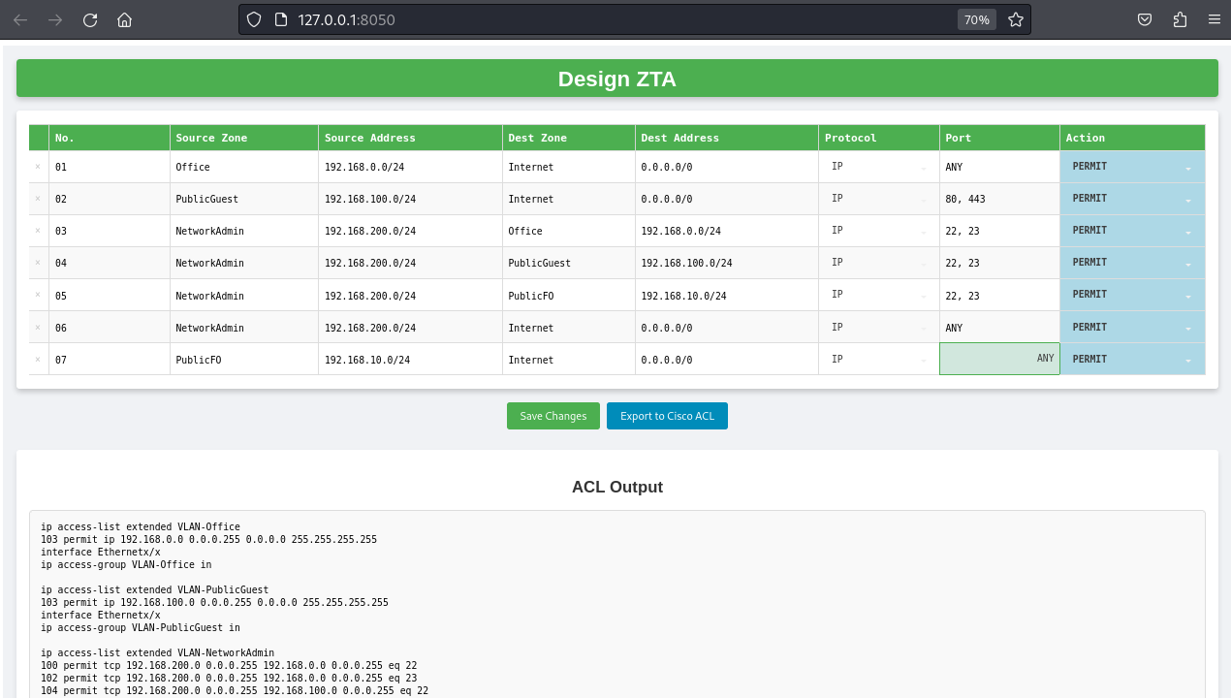

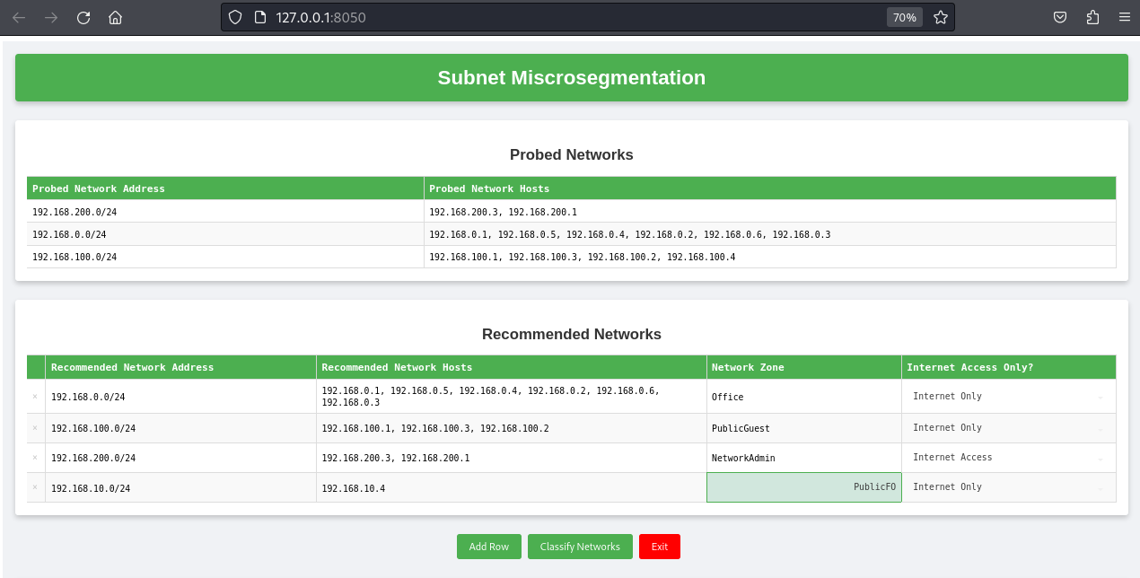

 | Generated |  | Implemented
 | ! Assign an interface as Trunk if needed
 | interface Ethernetx/x |  | interface Ethernet0/0 |  | interface Ethernet0/0
 | switchport trunk encapsulation dot1q |  | switchport trunk encapsulation dot1q |  | switchport trunk encapsulation dot1q
 | switchport mode trunk |  | switchport mode trunk |  | switchport mode trunk
 | switchport trunk allowed vlan xx,xx |  | switchport trunk allowed vlan 10 |  | switchport trunk allowed vlan 11,13
 | no shutdown |  | no shutdown |  | no shutdown

 |  |  |  |  | interface Ethernet0/0
 | vlan 10 |  | vlan 10 |  | switchport trunk encapsulation dot1q
 | name Office |  | name Office |  | switchport mode trunk
 | interface Vlan10 |  | interface Vlan10 |  | switchport trunk allowed vlan 12
 | no shutdown |  | no shutdown |  | no shutdown
 | ! Assign the VLAN into associated ports/interfaces |  |  |  |  | Generated | Implemented
 | interface Ethernetx/x |  | interface Ethernet0/0 |  |  | ip access-list extended VLAN-Office | ip access-list extended VLAN-Office
 | switchport mode access |  | switchport mode access |  |  | 100 permit tcp 192.168.0.0 0.0.0.255 192.168.200.0 0.0.0.255 established | 100 permit tcp 192.168.0.0 0.0.0.255 192.168.200.0 0.0.0.255 established
 | switchport access vlan 10 |  | switchport access vlan 10 |  |  | 101 permit tcp 0.0.0.0 255.255.255.255 0.0.0.0 255.255.255.255 eq 53 | 101 permit tcp 0.0.0.0 255.255.255.255 0.0.0.0 255.255.255.255 eq 53
 | no shutdown |  | no shutdown |  |  | 102 permit udp 0.0.0.0 255.255.255.255 0.0.0.0 255.255.255.255 eq 53 | 102 permit udp 0.0.0.0 255.255.255.255 0.0.0.0 255.255.255.255 eq 53
 |  |  |  |  |  | 103 permit udp 0.0.0.0 255.255.255.255 0.0.0.0 255.255.255.255 range 67 68 | 103 permit udp 0.0.0.0 255.255.255.255 0.0.0.0 255.255.255.255 range 67 68
 |  |  |  |  |  | 104 deny ip 192.168.0.0 0.0.0.255 10.0.0.0 0.255.255.255 | 104 deny ip 192.168.0.0 0.0.0.255 10.0.0.0 0.255.255.255
 | vlan 11 |  | vlan 11 |  |  | 105 deny ip 192.168.0.0 0.0.0.255 172.16.0.0 0.15.255.255 | 105 deny ip 192.168.0.0 0.0.0.255 172.16.0.0 0.15.255.255
 | name PublicGuest |  | name PublicGuest |  |  | 106 deny ip 192.168.0.0 0.0.0.255 192.168.0.0 0.0.255.255 | 106 deny ip 192.168.0.0 0.0.0.255 192.168.0.0 0.0.255.255
 | interface Vlan11 |  | interface Vlan11 |  |  | 107 permit ip 192.168.0.0 0.0.0.255 0.0.0.0 255.255.255.255 | 107 permit ip 192.168.0.0 0.0.0.255 0.0.0.0 255.255.255.255
 | no shutdown |  | no shutdown |  |  | interface FastEthernetx/x | interface FastEthernet2/0.10
 | ! Assign the VLAN into associated ports/interfaces |  |  |  |  | ip access-group VLAN-Office in | ip access-group VLAN-Office in
 | interface Ethernetx/x |  | interface range Ethernet0/1-3, Ethernet1/0-3
 | switchport mode access |  | switchport mode access |  |  | ip access-list extended VLAN-PublicGuest | ip access-list extended VLAN-PublicGuest
 | switchport access vlan 11 |  | switchport access vlan 11 |  |  | 100 permit tcp 192.168.100.0 0.0.0.255 192.168.200.0 0.0.0.255 established | 100 permit tcp 192.168.100.0 0.0.0.255 192.168.200.0 0.0.0.255 established
 | no shutdown |  | no shutdown |  |  | 101 permit tcp 0.0.0.0 255.255.255.255 0.0.0.0 255.255.255.255 eq 53 | 101 permit tcp 0.0.0.0 255.255.255.255 0.0.0.0 255.255.255.255 eq 53
 |  |  |  |  |  | 102 permit udp 0.0.0.0 255.255.255.255 0.0.0.0 255.255.255.255 eq 53 | 102 permit udp 0.0.0.0 255.255.255.255 0.0.0.0 255.255.255.255 eq 53
 |  |  |  |  |  | 103 permit udp 0.0.0.0 255.255.255.255 0.0.0.0 255.255.255.255 range 67 68 | 103 permit udp 0.0.0.0 255.255.255.255 0.0.0.0 255.255.255.255 range 67 68
 | vlan 12 |  | vlan 12 |  |  | 104 deny ip 192.168.100.0 0.0.0.255 10.0.0.0 0.255.255.255 | 104 deny ip 192.168.100.0 0.0.0.255 10.0.0.0 0.255.255.255
 | name NetworkAdmin |  | name NetworkAdmin |  |  | 105 deny ip 192.168.100.0 0.0.0.255 172.16.0.0 0.15.255.255 | 105 deny ip 192.168.100.0 0.0.0.255 172.16.0.0 0.15.255.255
 | interface Vlan12 |  | interface Vlan12 |  |  | 106 deny ip 192.168.100.0 0.0.0.255 192.168.0.0 0.0.255.255 | 106 deny ip 192.168.100.0 0.0.0.255 192.168.0.0 0.0.255.255
 | no shutdown |  | no shutdown |  |  | 107 permit ip 192.168.100.0 0.0.0.255 0.0.0.0 255.255.255.255 | 107 permit ip 192.168.100.0 0.0.0.255 0.0.0.0 255.255.255.255
 | ! Assign the VLAN into associated ports/interfaces |  |  |  |  | interface FastEthernetx/x | interface FastEthernet1/0.11
 | interface Ethernetx/x |  | interface range Ethernet0/1-3, Ethernet1/0-3 |  |  | ip access-group VLAN-PublicGuest in | ip access-group VLAN-PublicGuest in
 | switchport mode access |  | switchport mode access
 | switchport access vlan 12 |  | switchport access vlan 12 |  |  | ip access-list extended VLAN-NetAdmin | ip access-list extended VLAN-NetAdmin
 | no shutdown |  | no shutdown |  |  | 100 permit tcp 192.168.200.0 0.0.0.255 192.168.0.0 0.0.0.255 eq 21 | 100 permit tcp 192.168.200.0 0.0.0.255 192.168.0.0 0.0.0.255 eq 21
 |  |  |  |  |  | 101 permit tcp 192.168.200.0 0.0.0.255 192.168.0.0 0.0.0.255 eq 22 | 101 permit tcp 192.168.200.0 0.0.0.255 192.168.0.0 0.0.0.255 eq 22
 |  |  |  |  |  | 102 permit tcp 192.168.200.0 0.0.0.255 192.168.0.0 0.0.0.255 eq 23 | 102 permit tcp 192.168.200.0 0.0.0.255 192.168.0.0 0.0.0.255 eq 23
 | vlan 13 |  | vlan 13 |  |  | 103 permit tcp 192.168.200.0 0.0.0.255 192.168.100.0 0.0.0.255 eq 23 | 103 permit tcp 192.168.200.0 0.0.0.255 192.168.100.0 0.0.0.255 eq 23
 | name PublicFO |  | name PublicFO |  |  | 104 permit tcp 192.168.200.0 0.0.0.255 192.168.10.0 0.0.0.7 eq 22 | 104 permit tcp 192.168.200.0 0.0.0.255 192.168.10.0 0.0.0.7 eq 22
 | interface Vlan13 |  | interface Vlan13 |  |  | 105 permit tcp 192.168.200.0 0.0.0.255 192.168.10.0 0.0.0.7 eq 23 | 105 permit tcp 192.168.200.0 0.0.0.255 192.168.10.0 0.0.0.7 eq 23
 | no shutdown |  | no shutdown |  |  | 106 permit tcp 0.0.0.0 255.255.255.255 0.0.0.0 255.255.255.255 eq 53 | 106 permit tcp 0.0.0.0 255.255.255.255 0.0.0.0 255.255.255.255 eq 53
 | ! Assign the VLAN into associated ports/interfaces |  |  |  |  | 107 permit udp 0.0.0.0 255.255.255.255 0.0.0.0 255.255.255.255 eq 53 | 107 permit udp 0.0.0.0 255.255.255.255 0.0.0.0 255.255.255.255 eq 53
 | interface Ethernetx/x |  | interface range Ethernet3/0-3 |  |  | 108 permit udp 0.0.0.0 255.255.255.255 0.0.0.0 255.255.255.255 range 67 68 | 108 permit udp 0.0.0.0 255.255.255.255 0.0.0.0 255.255.255.255 range 67 68
 | switchport mode access |  | switchport mode access |  |  | 109 deny ip 192.168.200.0 0.0.0.255 10.0.0.0 0.255.255.255 | 109 deny ip 192.168.200.0 0.0.0.255 10.0.0.0 0.255.255.255
 | switchport access vlan 13 |  | switchport access vlan 13 |  |  | 110 deny ip 192.168.200.0 0.0.0.255 172.16.0.0 0.15.255.255 | 110 deny ip 192.168.200.0 0.0.0.255 172.16.0.0 0.15.255.255
 | no shutdown |  | no shutdown |  |  | 111 deny ip 192.168.200.0 0.0.0.255 192.168.0.0 0.0.255.255 | 111 deny ip 192.168.200.0 0.0.0.255 192.168.0.0 0.0.255.255
 |  |  |  |  |  | 112 permit ip 192.168.200.0 0.0.0.255 0.0.0.0 255.255.255.255 | 112 permit ip 192.168.200.0 0.0.0.255 0.0.0.0 255.255.255.255
 |  |  |  |  |  | interface FastEthernetx/x | interface FastEthernet3/0.12
 | ! Router Configuration |  |  |  |  | ip access-group VLAN-NetAdmin in | ip access-group VLAN-NetAdmin in
 | interface GigabitEthernet0/0.10 |  | interface FastEthernet2/0.10
 | encapsulation dot1Q 10 |  | encapsulation dot1Q 10 |  |  | ip access-list extended VLAN-PublicFO | ip access-list extended VLAN-PublicFO
 | ip address 192.168.0.1 255.255.255.0 |  | ip address 192.168.0.1 255.255.255.0 |  |  | 100 permit tcp 192.168.10.0 0.0.0.7 192.168.200.0 0.0.0.255 established | 100 permit tcp 192.168.10.0 0.0.0.7 192.168.200.0 0.0.0.255 established
 | no shutdown |  | no shutdown |  |  | 101 permit tcp 0.0.0.0 255.255.255.255 0.0.0.0 255.255.255.255 eq 53 | 101 permit tcp 0.0.0.0 255.255.255.255 0.0.0.0 255.255.255.255 eq 53
 |  |  |  |  |  | 102 permit udp 0.0.0.0 255.255.255.255 0.0.0.0 255.255.255.255 eq 53 | 102 permit udp 0.0.0.0 255.255.255.255 0.0.0.0 255.255.255.255 eq 53
 | ip dhcp pool VLAN_10 |  | ip dhcp pool VLAN_10 |  |  | 103 permit udp 0.0.0.0 255.255.255.255 0.0.0.0 255.255.255.255 range 67 68 | 103 permit udp 0.0.0.0 255.255.255.255 0.0.0.0 255.255.255.255 range 67 68
 | network 192.168.0.0 255.255.255.0 |  | network 192.168.0.0 255.255.255.0 |  |  | 104 deny ip 192.168.10.0 0.0.0.7 10.0.0.0 0.255.255.255 | 104 deny ip 192.168.10.0 0.0.0.7 10.0.0.0 0.255.255.255
 | default-router 192.168.0.1 |  | default-router 192.168.0.1 |  |  | 105 deny ip 192.168.10.0 0.0.0.7 172.16.0.0 0.15.255.255 | 105 deny ip 192.168.10.0 0.0.0.7 172.16.0.0 0.15.255.255
 |  |  |  |  |  | 106 deny ip 192.168.10.0 0.0.0.7 192.168.0.0 0.0.255.255 | 106 deny ip 192.168.10.0 0.0.0.7 192.168.0.0 0.0.255.255
 | interface GigabitEthernet0/0.11 |  | interface FastEthernet1/0.11 |  |  | 107 permit ip 192.168.10.0 0.0.0.7 0.0.0.0 255.255.255.255 | 107 permit ip 192.168.10.0 0.0.0.7 0.0.0.0 255.255.255.255
 | encapsulation dot1Q 11 |  | encapsulation dot1Q 11 |  |  | interface FastEthernetx/x | interface FastEthernet1/0.13
 | ip address 192.168.100.1 255.255.255.0 |  | ip address 192.168.100.1 255.255.255.0 |  |  | ip access-group VLAN-PublicFO in | ip access-group VLAN-PublicFO in
 | no shutdown |  | no shutdown

 | ip dhcp pool VLAN_11 |  | ip dhcp pool VLAN_11
 | network 192.168.100.0 255.255.255.0 |  | network 192.168.100.0 255.255.255.0
 | default-router 192.168.100.1 |  | default-router 192.168.100.1

 | interface GigabitEthernet0/0.12 |  | interface FastEthernet3/0.12
 | encapsulation dot1Q 12 |  | encapsulation dot1Q 12
 | ip address 192.168.200.1 255.255.255.0 |  | ip address 192.168.200.1 255.255.255.0
 | no shutdown |  | no shutdown

 | ip dhcp pool VLAN_12 |  | ip dhcp pool VLAN_12
 | network 192.168.200.0 255.255.255.0 |  | network 192.168.200.0 255.255.255.0
 | default-router 192.168.200.1 |  | default-router 192.168.200.1

 | interface GigabitEthernet0/0.13 |  | interface FastEthernet1/0.13
 | encapsulation dot1Q 13 |  | encapsulation dot1Q 13
 | ip address 192.168.10.1 255.255.255.0 |  | ip address 192.168.10.1 255.255.255.0
 | no shutdown |  | no shutdown

 | ip dhcp pool VLAN_13 |  | ip dhcp pool VLAN_13
 | network 192.168.10.0 255.255.255.0 |  | network 192.168.10.0 255.255.255.0
 | default-router 192.168.10.1 |  | default-router 192.168.10.1

Skenario1_Network Robustness
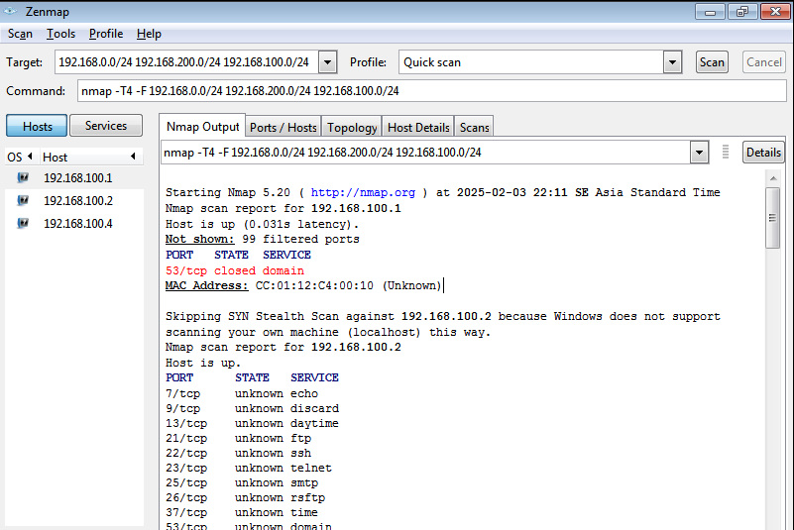
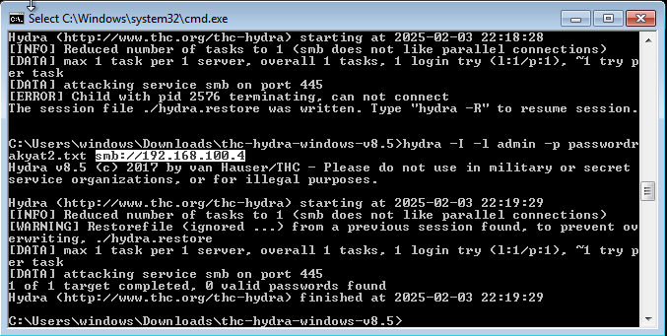
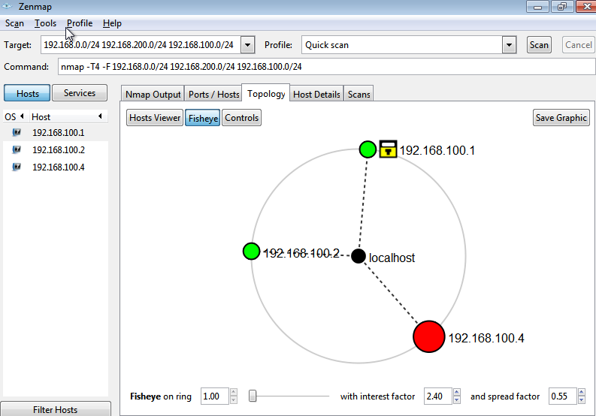
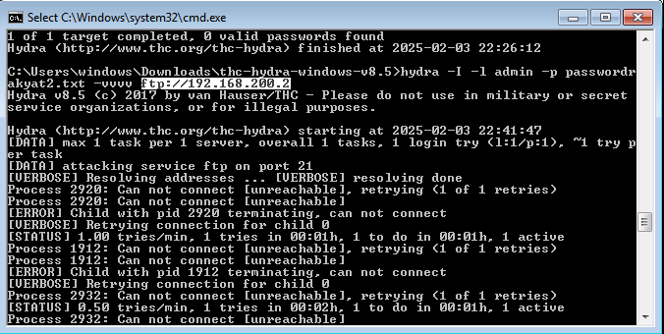
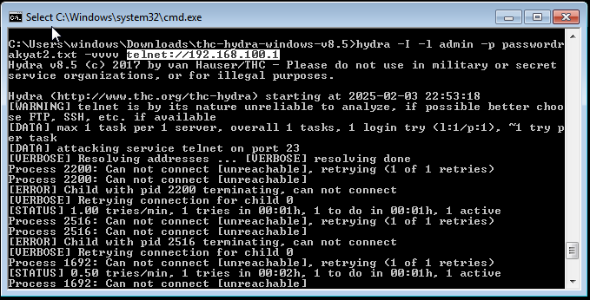
Zones | Public |  |  | Office | Network Admin
Subnet | Guest Gateway | Guest Hosts | Front Office | Office | NetAdmin | BEFORE ZTA
Address | 192.168.100.1 | 192.168.100.0/24 | 192.168.10.0/24 | 192.168.0.0/24 | 192.168.200.0/24
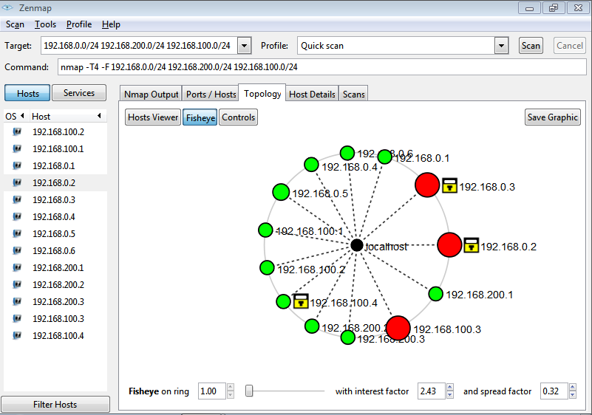
Before ZTA | VULNERABLE | VULNERABLE | N/A | VULNERABLE | VULNERABLE
After ZTA | SECURED | VULNERABLE | SECURED | SECURED | SECURED
 |  | N/A =Microsegmentation Not Yet Implemented

 |  |  |  |  |  | AFTER ZTA

Skenario2_Resource Discovery
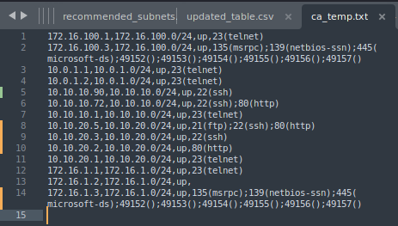
Resource Discovery

Skenario2_Policy Accuracy
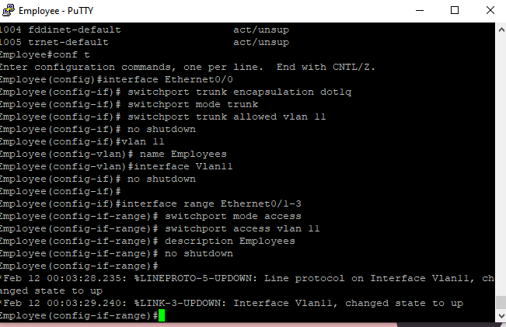
POLICY ACCURACY

Source | Destination | Required Policy | Compliance
Employees | Serverfarm | Block all access, except 80 | Y
Employees | Serverfarm2 | Block all access, except 80 | Y
Employees | Serverfarm3 | Block all access, except 80 | Y
Employees | P2P | Block all access | Y
Employees | NetworkAdmin | Block all access | Y
Employees | Internet | Full Access | Y
Serverfarm | Employees | Block all access | Y
Serverfarm | Serverfarm2 | Block all access | Y
Serverfarm | Serverfarm3 | Block all access | Y
Serverfarm | P2P | Block all access | Y
Serverfarm | NetworkAdmin | Block all access | Y
Serverfarm | Internet | Full Access | Y
Serverfarm2 | Employees | Block all access | Y
Serverfarm2 | Serverfarm | Block all access | Y
Serverfarm2 | Serverfarm3 | Block all access | Y
Serverfarm2 | P2P | Block all access | Y
Serverfarm2 | NetworkAdmin | Block all access | Y
Serverfarm2 | Internet | Full Access | Y
Serverfarm3 | Employees | Block all access | Y
Serverfarm3 | Serverfarm | Block all access | Y
Serverfarm3 | Serverfarm2 | Block all access | Y
Serverfarm3 | P2P | Block all access | Y
Serverfarm3 | NetworkAdmin | Block all access | Y
Serverfarm3 | Internet | Full Access | Y
P2P | Employees | Block all access | N
P2P | Serverfarm | Block all access | N
P2P | Serverfarm2 | Block all access | N
P2P | Serverfarm3 | Block all access | N
P2P | NetworkAdmin | Block all access | N
P2P | Internet | Full Access | N
NetworkAdmin | Employees | Block all access, except 23 for remote configuration | Y
NetworkAdmin | Serverfarm | Block all access, except 22 23 80 for remote configuration | Y
NetworkAdmin | Serverfarm2 | Block all access, except 21 22 23 80 for remote configuration | Y
NetworkAdmin | Serverfarm3 | Block all access, except 22 23 for remote configuration | Y
NetworkAdmin | P2P | Block all access, except 23 for remote configuration | Y
NetworkAdmin | Internet | Full Access | Y

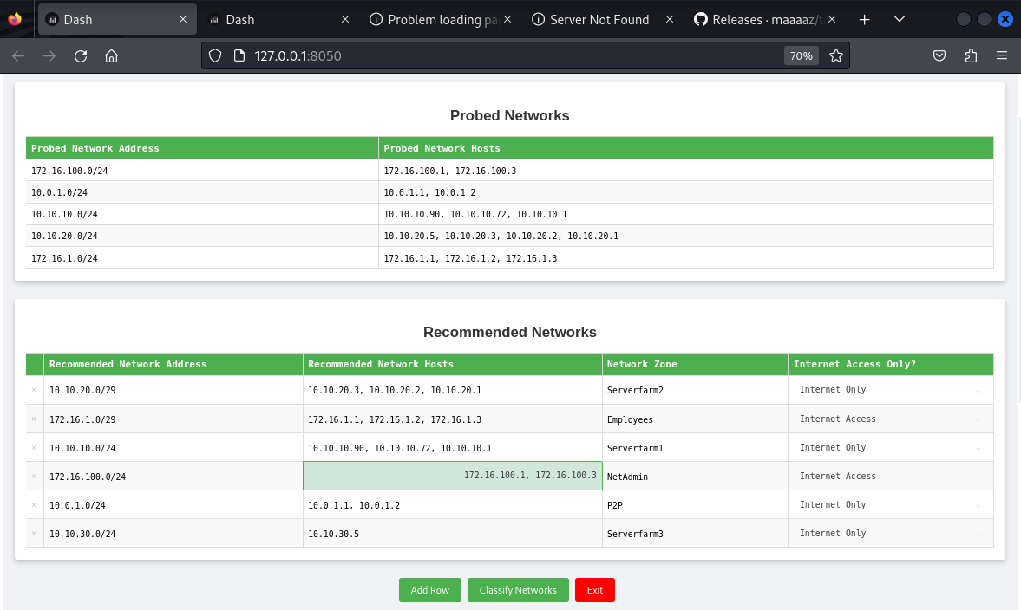

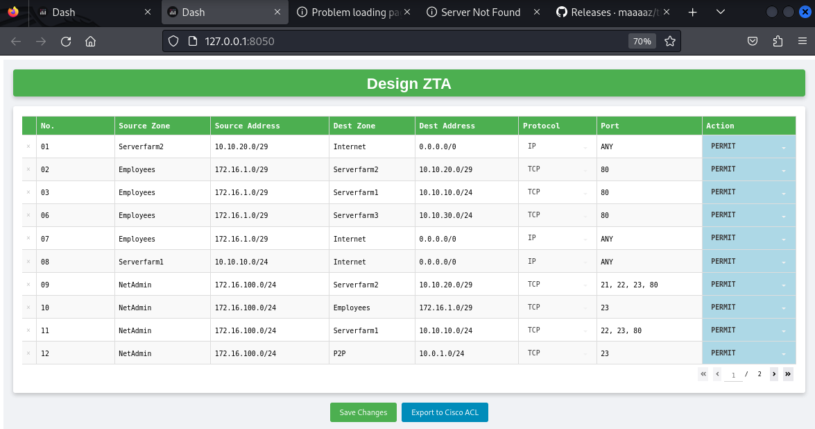
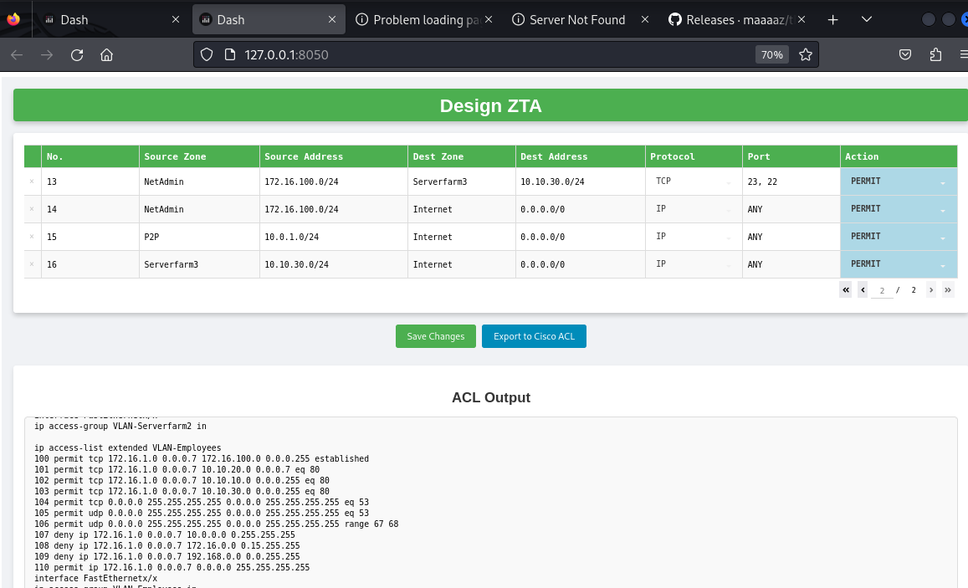

 | Generated |  |  | Implemented
 | ! Assign an interface as Trunk if needed |  |  | ! Assign an interface as Trunk if needed
 | interface Ethernetx/x |  |  | interface Ethernet0/0 | interface Ethernet0/0
 | switchport trunk encapsulation dot1q |  |  | switchport trunk encapsulation dot1q | switchport trunk encapsulation dot1q
 | switchport mode trunk |  |  | switchport mode trunk | switchport mode trunk
 | switchport trunk allowed vlan xx,xx |  |  | switchport trunk allowed vlan 10 | switchport trunk allowed vlan 11,13
 | no shutdown |  |  | no shutdown | no shutdown

 | vlan 10 |  |  | vlan 10 | interface Ethernet0/0
 | name Serverfarm2 |  |  | name Serverfarm2 | switchport trunk encapsulation dot1q
 | interface Vlan10 |  |  | interface Vlan10 | switchport mode trunk
 | no shutdown |  |  | no shutdown | switchport trunk allowed vlan 10,15
 | ! Assign the VLAN into associated ports/interfaces |  |  | interface range Ethernet1/0-3 | no shutdown | Generated | Implemented
 | interface range Ethernetx/x-x |  |  | interface range Ethernet0/1-3 |  | ip access-list extended VLAN-Serverfarm2 | ip access-list extended VLAN-Serverfarm2
 | switchport mode access |  |  | switchport mode access |  | 100 permit tcp 10.10.20.0 0.0.0.7 172.16.1.0 0.0.0.7 established | 100 permit tcp 10.10.20.0 0.0.0.7 172.16.1.0 0.0.0.7 established
 | switchport access vlan 10 |  |  | switchport access vlan 10 |  | 101 permit tcp 10.10.20.0 0.0.0.7 172.16.100.0 0.0.0.255 established | 101 permit tcp 10.10.20.0 0.0.0.7 172.16.100.0 0.0.0.255 established
 | description Serverfarm2 |  |  | description Serverfarm2 |  | 102 permit tcp 0.0.0.0 255.255.255.255 0.0.0.0 255.255.255.255 eq 53 | 102 permit tcp 0.0.0.0 255.255.255.255 0.0.0.0 255.255.255.255 eq 53
 | no shutdown |  |  | no shutdown |  | 103 permit udp 0.0.0.0 255.255.255.255 0.0.0.0 255.255.255.255 eq 53 | 103 permit udp 0.0.0.0 255.255.255.255 0.0.0.0 255.255.255.255 eq 53
 |  |  |  |  |  | 104 permit udp 0.0.0.0 255.255.255.255 0.0.0.0 255.255.255.255 range 67 68 | 104 permit udp 0.0.0.0 255.255.255.255 0.0.0.0 255.255.255.255 range 67 68
 |  |  |  |  |  | 105 deny ip 10.10.20.0 0.0.0.7 10.0.0.0 0.255.255.255 | 105 deny ip 10.10.20.0 0.0.0.7 10.0.0.0 0.255.255.255
 | vlan 11 |  |  | vlan 11 | interface Ethernet0/0 | 106 deny ip 10.10.20.0 0.0.0.7 172.16.0.0 0.15.255.255 | 106 deny ip 10.10.20.0 0.0.0.7 172.16.0.0 0.15.255.255
 | name Employees |  |  | name Employees | switchport trunk encapsulation dot1q | 107 deny ip 10.10.20.0 0.0.0.7 192.168.0.0 0.0.255.255 | 107 deny ip 10.10.20.0 0.0.0.7 192.168.0.0 0.0.255.255
 | interface Vlan11 |  |  | interface Vlan11 | switchport mode trunk | 108 permit ip 10.10.20.0 0.0.0.7 0.0.0.0 255.255.255.255 | 108 permit ip 10.10.20.0 0.0.0.7 0.0.0.0 255.255.255.255
 | no shutdown |  |  | no shutdown | switchport trunk allowed vlan 11 | interface FastEthernetx/x | interface FastEthernet2/0.10
 | ! Assign the VLAN into associated ports/interfaces |  |  |  | no shutdown | ip access-group VLAN-Serverfarm2 in | ip access-group VLAN-Serverfarm2 in
 | interface range Ethernetx/x-x |  |  | interface range Ethernet0/1-3
 | switchport mode access |  |  | switchport mode access |  | ip access-list extended VLAN-Employees | ip access-list extended VLAN-Employees
 | switchport access vlan 11 |  |  | switchport access vlan 11 |  | 100 permit tcp 172.16.1.0 0.0.0.7 172.16.100.0 0.0.0.255 established | 100 permit tcp 172.16.1.0 0.0.0.7 172.16.100.0 0.0.0.255 established
 | description Employees |  |  | description Employees |  | 101 permit tcp 172.16.1.0 0.0.0.7 10.10.20.0 0.0.0.7 eq 80 | 101 permit tcp 172.16.1.0 0.0.0.7 10.10.20.0 0.0.0.7 eq 80
 | no shutdown |  |  | no shutdown |  | 102 permit tcp 172.16.1.0 0.0.0.7 10.10.10.0 0.0.0.255 eq 80 | 102 permit tcp 172.16.1.0 0.0.0.7 10.10.10.0 0.0.0.255 eq 80
 |  |  |  |  |  | 103 permit tcp 172.16.1.0 0.0.0.7 10.10.30.0 0.0.0.255 eq 80 | 103 permit tcp 172.16.1.0 0.0.0.7 10.10.30.0 0.0.0.255 eq 80
 |  |  |  |  |  | 104 permit tcp 0.0.0.0 255.255.255.255 0.0.0.0 255.255.255.255 eq 53 | 104 permit tcp 0.0.0.0 255.255.255.255 0.0.0.0 255.255.255.255 eq 53
 | vlan 12 |  |  | vlan 12 |  | 105 permit udp 0.0.0.0 255.255.255.255 0.0.0.0 255.255.255.255 eq 53 | 105 permit udp 0.0.0.0 255.255.255.255 0.0.0.0 255.255.255.255 eq 53
 | name Serverfarm1 |  |  | name Serverfarm1 | interface Ethernet0/0 | 106 permit udp 0.0.0.0 255.255.255.255 0.0.0.0 255.255.255.255 range 67 68 | 106 permit udp 0.0.0.0 255.255.255.255 0.0.0.0 255.255.255.255 range 67 68
 | interface Vlan12 |  |  | interface Vlan12 | switchport trunk encapsulation dot1q | 107 deny ip 172.16.1.0 0.0.0.7 10.0.0.0 0.255.255.255 | 107 deny ip 172.16.1.0 0.0.0.7 10.0.0.0 0.255.255.255
 | no shutdown |  |  | no shutdown | switchport mode trunk | 108 deny ip 172.16.1.0 0.0.0.7 172.16.0.0 0.15.255.255 | 108 deny ip 172.16.1.0 0.0.0.7 172.16.0.0 0.15.255.255
 | ! Assign the VLAN into associated ports/interfaces |  |  | ! Assign the VLAN into associated ports/interfaces | switchport trunk allowed vlan 12 | 109 deny ip 172.16.1.0 0.0.0.7 192.168.0.0 0.0.255.255 | 109 deny ip 172.16.1.0 0.0.0.7 192.168.0.0 0.0.255.255
 | interface range Ethernetx/x-x |  |  | interface range Ethernet0/1-3 | no shutdown | 110 permit ip 172.16.1.0 0.0.0.7 0.0.0.0 255.255.255.255 | 110 permit ip 172.16.1.0 0.0.0.7 0.0.0.0 255.255.255.255
 | switchport mode access |  |  | switchport mode access |  | interface FastEthernetx/x | interface FastEthernet1/0.11
 | switchport access vlan 12 |  |  | switchport access vlan 12 |  | ip access-group VLAN-Employees in | ip access-group VLAN-Employees in
 | description Serverfarm1 |  |  | description Serverfarm1
 | no shutdown |  |  | no shutdown |  | ip access-list extended VLAN-Serverfarm1 | ip access-list extended VLAN-Serverfarm1
 |  |  |  |  |  | 100 permit tcp 10.10.10.0 0.0.0.255 172.16.1.0 0.0.0.7 established | 100 permit tcp 10.10.10.0 0.0.0.255 172.16.1.0 0.0.0.7 established
 |  |  |  |  |  | 101 permit tcp 10.10.10.0 0.0.0.255 172.16.100.0 0.0.0.255 established | 101 permit tcp 10.10.10.0 0.0.0.255 172.16.100.0 0.0.0.255 established
 | vlan 13 |  |  | vlan 13 | interface Ethernet0/0 | 102 permit tcp 0.0.0.0 255.255.255.255 0.0.0.0 255.255.255.255 eq 53 | 102 permit tcp 0.0.0.0 255.255.255.255 0.0.0.0 255.255.255.255 eq 53
 | name NetAdmin |  |  | name NetAdmin | switchport trunk encapsulation dot1q | 103 permit udp 0.0.0.0 255.255.255.255 0.0.0.0 255.255.255.255 eq 53 | 103 permit udp 0.0.0.0 255.255.255.255 0.0.0.0 255.255.255.255 eq 53
 | interface Vlan13 |  |  | interface Vlan13 | switchport mode trunk | 104 permit udp 0.0.0.0 255.255.255.255 0.0.0.0 255.255.255.255 range 67 68 | 104 permit udp 0.0.0.0 255.255.255.255 0.0.0.0 255.255.255.255 range 67 68
 | no shutdown |  |  | no shutdown | switchport trunk allowed vlan 13 | 105 deny ip 10.10.10.0 0.0.0.255 10.0.0.0 0.255.255.255 | 105 deny ip 10.10.10.0 0.0.0.255 10.0.0.0 0.255.255.255
 | ! Assign the VLAN into associated ports/interfaces |  |  | ! Assign the VLAN into associated ports/interfaces | no shutdown | 106 deny ip 10.10.10.0 0.0.0.255 172.16.0.0 0.15.255.255 | 106 deny ip 10.10.10.0 0.0.0.255 172.16.0.0 0.15.255.255
 | interface range Ethernetx/x-x |  |  | interface range Ethernet0/1-3 |  | 107 deny ip 10.10.10.0 0.0.0.255 192.168.0.0 0.0.255.255 | 107 deny ip 10.10.10.0 0.0.0.255 192.168.0.0 0.0.255.255
 | switchport mode access |  |  | switchport mode access |  | 108 permit ip 10.10.10.0 0.0.0.255 0.0.0.0 255.255.255.255 | 108 permit ip 10.10.10.0 0.0.0.255 0.0.0.0 255.255.255.255
 | switchport access vlan 13 |  |  | switchport access vlan 13 |  | interface FastEthernetx/x | interface FastEthernet2/0.12
 | description NetAdmin |  |  | description NetAdmin |  | ip access-group VLAN-Serverfarm1 in | ip access-group VLAN-Serverfarm1 in
 | no shutdown |  |  | no shutdown
 |  |  |  |  |  | ip access-list extended VLAN-NetAdmin | ip access-list extended VLAN-NetAdmin
 |  |  |  |  |  | 100 permit tcp 172.16.100.0 0.0.0.255 10.10.20.0 0.0.0.7 eq 21 | 100 permit tcp 172.16.100.0 0.0.0.255 10.10.20.0 0.0.0.7 eq 21
 | vlan 14 |  |  | vlan 14 | interface Ethernet0/0 | 101 permit tcp 172.16.100.0 0.0.0.255 10.10.20.0 0.0.0.7 eq 22 | 101 permit tcp 172.16.100.0 0.0.0.255 10.10.20.0 0.0.0.7 eq 22
 | name P2P |  |  | name P2P | switchport trunk encapsulation dot1q | 102 permit tcp 172.16.100.0 0.0.0.255 10.10.20.0 0.0.0.7 eq 23 | 102 permit tcp 172.16.100.0 0.0.0.255 10.10.20.0 0.0.0.7 eq 23
 | interface Vlan14 |  |  | interface Vlan14 | switchport mode trunk | 103 permit tcp 172.16.100.0 0.0.0.255 10.10.20.0 0.0.0.7 eq 80 | 103 permit tcp 172.16.100.0 0.0.0.255 10.10.20.0 0.0.0.7 eq 80
 | no shutdown |  |  | no shutdown | switchport trunk allowed vlan 14 | 104 permit tcp 172.16.100.0 0.0.0.255 172.16.1.0 0.0.0.7 eq 23 | 104 permit tcp 172.16.100.0 0.0.0.255 172.16.1.0 0.0.0.7 eq 23
 | ! Assign the VLAN into associated ports/interfaces |  |  | ! Assign the VLAN into associated ports/interfaces | no shutdown | 105 permit tcp 172.16.100.0 0.0.0.255 10.10.10.0 0.0.0.255 eq 22 | 105 permit tcp 172.16.100.0 0.0.0.255 10.10.10.0 0.0.0.255 eq 22
 | interface range Ethernetx/x-x |  |  | interface range Ethernet0/1-3 |  | 106 permit tcp 172.16.100.0 0.0.0.255 10.10.10.0 0.0.0.255 eq 23 | 106 permit tcp 172.16.100.0 0.0.0.255 10.10.10.0 0.0.0.255 eq 23
 | switchport mode access |  |  | switchport mode access |  | 107 permit tcp 172.16.100.0 0.0.0.255 10.10.10.0 0.0.0.255 eq 80 | 107 permit tcp 172.16.100.0 0.0.0.255 10.10.10.0 0.0.0.255 eq 80
 | switchport access vlan 14 |  |  | switchport access vlan 14 |  | 108 permit tcp 172.16.100.0 0.0.0.255 10.0.1.0 0.0.0.255 eq 23 | 108 permit tcp 172.16.100.0 0.0.0.255 10.0.1.0 0.0.0.255 eq 23
 | description P2P |  |  | description P2P |  | 109 permit tcp 172.16.100.0 0.0.0.255 10.10.30.0 0.0.0.255 eq 22 | 109 permit tcp 172.16.100.0 0.0.0.255 10.10.30.0 0.0.0.255 eq 22
 | no shutdown |  |  | no shutdown |  | 110 permit tcp 172.16.100.0 0.0.0.255 10.10.30.0 0.0.0.255 eq 23 | 110 permit tcp 172.16.100.0 0.0.0.255 10.10.30.0 0.0.0.255 eq 23
 |  |  |  |  |  | 111 permit tcp 0.0.0.0 255.255.255.255 0.0.0.0 255.255.255.255 eq 53 | 111 permit tcp 0.0.0.0 255.255.255.255 0.0.0.0 255.255.255.255 eq 53
 |  |  |  |  |  | 112 permit udp 0.0.0.0 255.255.255.255 0.0.0.0 255.255.255.255 eq 53 | 112 permit udp 0.0.0.0 255.255.255.255 0.0.0.0 255.255.255.255 eq 53
 | vlan 15 |  |  | vlan 15 |  | 113 permit udp 0.0.0.0 255.255.255.255 0.0.0.0 255.255.255.255 range 67 68 | 113 permit udp 0.0.0.0 255.255.255.255 0.0.0.0 255.255.255.255 range 67 68
 | name Serverfarm3 |  |  | name Serverfarm3 |  | 114 deny ip 172.16.100.0 0.0.0.255 10.0.0.0 0.255.255.255 | 114 deny ip 172.16.100.0 0.0.0.255 10.0.0.0 0.255.255.255
 | interface Vlan15 |  |  | interface Vlan15 |  | 115 deny ip 172.16.100.0 0.0.0.255 172.16.0.0 0.15.255.255 | 115 deny ip 172.16.100.0 0.0.0.255 172.16.0.0 0.15.255.255
 | no shutdown |  |  | no shutdown |  | 116 deny ip 172.16.100.0 0.0.0.255 192.168.0.0 0.0.255.255 | 116 deny ip 172.16.100.0 0.0.0.255 192.168.0.0 0.0.255.255
 | ! Assign the VLAN into associated ports/interfaces |  |  | ! Assign the VLAN into associated ports/interfaces |  | 117 permit ip 172.16.100.0 0.0.0.255 0.0.0.0 255.255.255.255 | 117 permit ip 172.16.100.0 0.0.0.255 0.0.0.0 255.255.255.255
 | interface range Ethernetx/x-x |  |  | interface range Ethernet2/0-3 |  | interface FastEthernetx/x | interface FastEthernet1/0.13
 | switchport mode access |  |  | switchport mode access |  | ip access-group VLAN-NetAdmin in | ip access-group VLAN-NetAdmin in
 | switchport access vlan 15 |  |  | switchport access vlan 15
 | description Serverfarm3 |  |  | description Serverfarm3 |  | ip access-list extended VLAN-P2P | ip access-list extended VLAN-P2P
 | no shutdown |  |  | no shutdown |  | 100 permit tcp 10.0.1.0 0.0.0.255 172.16.100.0 0.0.0.255 established | 100 permit tcp 10.0.1.0 0.0.0.255 172.16.100.0 0.0.0.255 established
 |  |  |  |  |  | 101 permit tcp 0.0.0.0 255.255.255.255 0.0.0.0 255.255.255.255 eq 53 | 101 permit tcp 0.0.0.0 255.255.255.255 0.0.0.0 255.255.255.255 eq 53
 |  |  |  |  |  | 102 permit udp 0.0.0.0 255.255.255.255 0.0.0.0 255.255.255.255 eq 53 | 102 permit udp 0.0.0.0 255.255.255.255 0.0.0.0 255.255.255.255 eq 53
 | ! Router Configuration |  |  | ! Router Configuration |  | 103 permit udp 0.0.0.0 255.255.255.255 0.0.0.0 255.255.255.255 range 67 68 | 103 permit udp 0.0.0.0 255.255.255.255 0.0.0.0 255.255.255.255 range 67 68
 | interface FastEthernet0/0.10 |  |  | interface FastEthernet2/0.10 |  | 104 deny ip 10.0.1.0 0.0.0.255 10.0.0.0 0.255.255.255 | 104 deny ip 10.0.1.0 0.0.0.255 10.0.0.0 0.255.255.255
 | encapsulation dot1Q 10 |  |  | encapsulation dot1Q 10 |  | 105 deny ip 10.0.1.0 0.0.0.255 172.16.0.0 0.15.255.255 | 105 deny ip 10.0.1.0 0.0.0.255 172.16.0.0 0.15.255.255
 | description Serverfarm2 |  |  | description Serverfarm2 |  | 106 deny ip 10.0.1.0 0.0.0.255 192.168.0.0 0.0.255.255 | 106 deny ip 10.0.1.0 0.0.0.255 192.168.0.0 0.0.255.255
 | ip address 10.10.20.1 255.255.255.248 |  |  | ip address 10.10.20.1 255.255.255.248 |  | 107 permit ip 10.0.1.0 0.0.0.255 0.0.0.0 255.255.255.255 | 107 permit ip 10.0.1.0 0.0.0.255 0.0.0.0 255.255.255.255
 | no shutdown |  |  | no shutdown |  | interface FastEthernetx/x | interface FastEthernet3/0
 |  |  |  |  |  | ip access-group VLAN-P2P in | ip access-group VLAN-P2P in
 | ip dhcp pool VLAN_10 |  |  | ip dhcp pool VLAN_10
 | network 10.10.20.0 255.255.255.248 |  |  | network 10.10.20.0 255.255.255.248 |  | ip access-list extended VLAN-Serverfarm3 | ip access-list extended VLAN-Serverfarm3
 | description Serverfarm2 |  |  |  |  | 100 permit tcp 10.10.30.0 0.0.0.255 172.16.1.0 0.0.0.7 established | 100 permit tcp 10.10.30.0 0.0.0.255 172.16.1.0 0.0.0.7 established
 | default-router 10.10.20.1 |  |  | default-router 10.10.20.1 |  | 101 permit tcp 10.10.30.0 0.0.0.255 172.16.100.0 0.0.0.255 established | 101 permit tcp 10.10.30.0 0.0.0.255 172.16.100.0 0.0.0.255 established
 |  |  |  |  |  | 102 permit tcp 0.0.0.0 255.255.255.255 0.0.0.0 255.255.255.255 eq 53 | 102 permit tcp 0.0.0.0 255.255.255.255 0.0.0.0 255.255.255.255 eq 53
 | interface FastEthernet0/0.11 |  |  | interface FastEthernet1/0.11 |  | 103 permit udp 0.0.0.0 255.255.255.255 0.0.0.0 255.255.255.255 eq 53 | 103 permit udp 0.0.0.0 255.255.255.255 0.0.0.0 255.255.255.255 eq 53
 | encapsulation dot1Q 11 |  |  | encapsulation dot1Q 11 |  | 104 permit udp 0.0.0.0 255.255.255.255 0.0.0.0 255.255.255.255 range 67 68 | 104 permit udp 0.0.0.0 255.255.255.255 0.0.0.0 255.255.255.255 range 67 68
 | description Employees |  |  | description Employees |  | 105 deny ip 10.10.30.0 0.0.0.255 10.0.0.0 0.255.255.255 | 105 deny ip 10.10.30.0 0.0.0.255 10.0.0.0 0.255.255.255
 | ip address 172.16.1.1 255.255.255.248 |  |  | ip address 172.16.1.1 255.255.255.248 |  | 106 deny ip 10.10.30.0 0.0.0.255 172.16.0.0 0.15.255.255 | 106 deny ip 10.10.30.0 0.0.0.255 172.16.0.0 0.15.255.255
 | no shutdown |  |  | no shutdown |  | 107 deny ip 10.10.30.0 0.0.0.255 192.168.0.0 0.0.255.255 | 107 deny ip 10.10.30.0 0.0.0.255 192.168.0.0 0.0.255.255
 |  |  |  |  |  | 108 permit ip 10.10.30.0 0.0.0.255 0.0.0.0 255.255.255.255 | 108 permit ip 10.10.30.0 0.0.0.255 0.0.0.0 255.255.255.255
 | ip dhcp pool VLAN_11 |  |  | ip dhcp pool VLAN_11 |  | interface FastEthernetx/x | interface FastEthernet2/0.15
 | network 172.16.1.0 255.255.255.248 |  |  | network 172.16.1.0 255.255.255.248 |  | ip access-group VLAN-Serverfarm3 in | ip access-group VLAN-Serverfarm3 in
 | description Employees
 | default-router 172.16.1.1 |  |  | default-router 172.16.1.1

 | interface FastEthernet0/0.12 |  |  | interface FastEthernet2/0.12
 | encapsulation dot1Q 12 |  |  | encapsulation dot1Q 12
 | description Serverfarm1 |  |  | description Serverfarm1
 | ip address 10.10.10.1 255.255.255.0 |  |  | ip address 10.10.10.1 255.255.255.0
 | no shutdown |  |  | no shutdown

 | ip dhcp pool VLAN_12 |  |  | ip dhcp pool VLAN_12
 | network 10.10.10.0 255.255.255.0 |  |  | network 10.10.10.0 255.255.255.0
 | description Serverfarm1 |  |  | description Serverfarm1
 | default-router 10.10.10.1 |  |  | default-router 10.10.10.1

 | interface FastEthernet0/0.13 |  |  | interface FastEthernet1/0.13
 | encapsulation dot1Q 13 |  |  | encapsulation dot1Q 13
 | description NetAdmin |  |  | description NetAdmin
 | ip address 172.16.100.1 255.255.255.0 |  |  | ip address 172.16.100.1 255.255.255.0
 | no shutdown |  |  | no shutdown

 | ip dhcp pool VLAN_13 |  |  | ip dhcp pool VLAN_13
 | network 172.16.100.0 255.255.255.0 |  |  | network 172.16.100.0 255.255.255.0
 | description NetAdmin
 | default-router 172.16.100.1 |  |  | default-router 172.16.100.1

 | interface FastEthernet0/0.14 |  |  | interface FastEthernet3/0.14
 | encapsulation dot1Q 14 |  |  | encapsulation dot1Q 14
 | description P2P |  |  | description P2P
 | ip address 10.0.1.1 255.255.255.0 |  |  | ip address 10.0.1.1 255.255.255.0
 | no shutdown |  |  | no shutdown

 | ip dhcp pool VLAN_14 |  |  | ip dhcp pool VLAN_14
 | network 10.0.1.0 255.255.255.0 |  |  | network 10.0.1.0 255.255.255.0
 | description P2P |  |  | description P2P
 | default-router 10.0.1.1 |  |  | default-router 10.0.1.1

 | interface FastEthernet0/0.15 |  |  | interface FastEthernet2/0.15
 | encapsulation dot1Q 15 |  |  | encapsulation dot1Q 15
 | description Serverfarm3 |  |  | description Serverfarm3
 | ip address 10.10.30.1 255.255.255.0 |  |  | ip address 10.10.30.1 255.255.255.0
 | no shutdown |  |  | no shutdown

 | ip dhcp pool VLAN_15 |  |  | ip dhcp pool VLAN_15
 | network 10.10.30.0 255.255.255.0 |  |  | network 10.10.30.0 255.255.255.0
 | description Serverfarm3
 | default-router 10.10.30.1 |  |  | default-router 10.10.30.1

Skenario2_Network Robustness
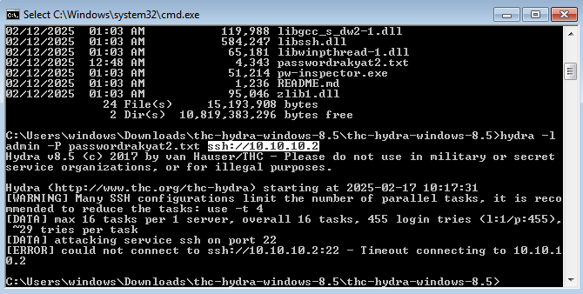
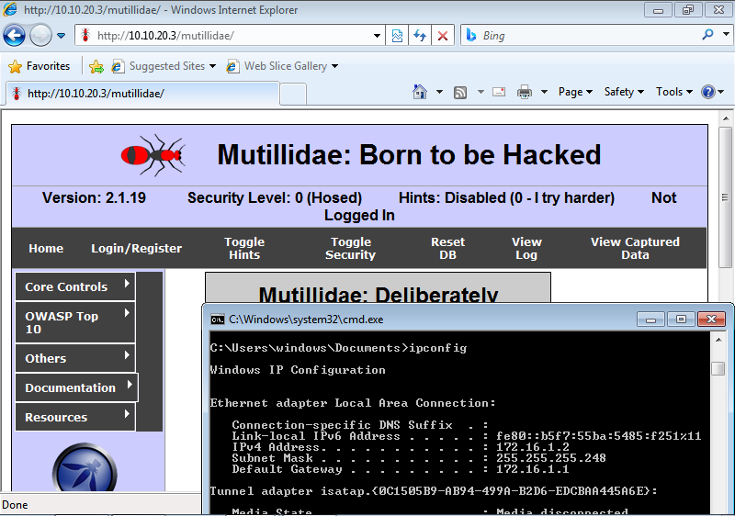
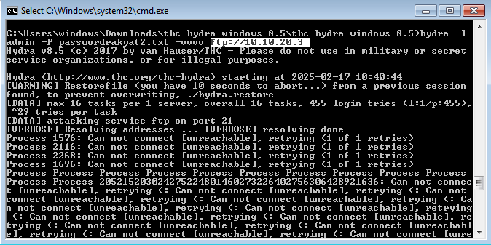
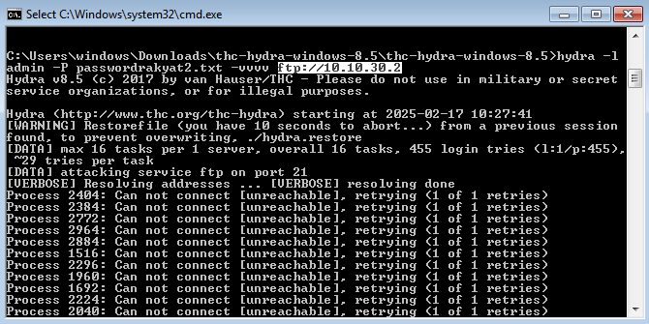

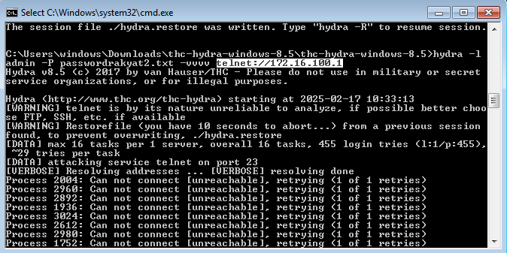
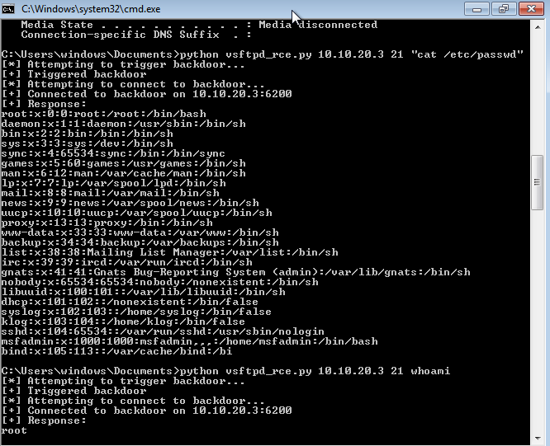
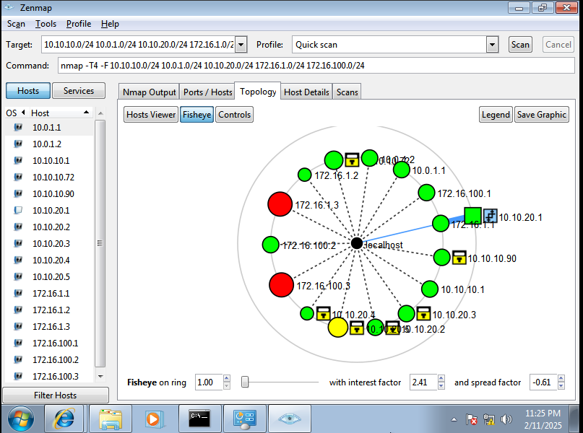
Zones | Employees |  | ServerFarm |  |  | Network Admin | P2P
Subnet | Employee Gateway | Employee | Webserver | InternalApp | InternalApp2 | NetAdmin | Router-Router | BEFORE ZTA
Address | 172.16.1.1 | 172.16.1.0/24 | 10.10.10.0/24 | 10.10.20.0/24 | 10.10.30.0/24 | 172.16.100.0/24 | 10.0.1.0/24
Before ZTA | VULNERABLE | VULNERABLE | VULNERABLE | VULNERABLE | N/A | VULNERABLE | VULNERABLE
After ZTA | SECURED | VULNERABLE | SECURED | SECURED | SECURED | SECURED | SECURED
 |  | N/A =Microsegmentation Not Yet Implemented

 |  |  |  |  |  |  |  | AFTER ZTA

